Project3707
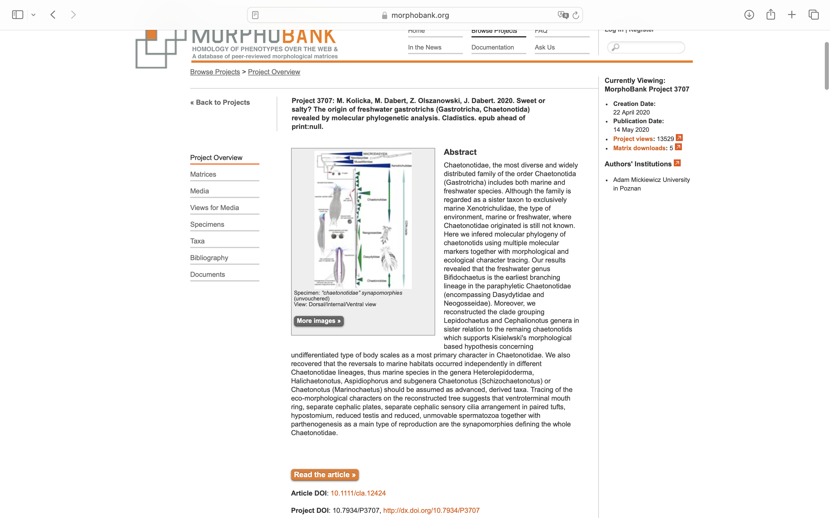
Charlabels | Character Pattern | Unseen States
[1] 'Inhabited water environment' | Transformational | NO
[2] 'Habitat' | Transformational | YES
[3] 'Body length For comparison, the median species length was used' | Transformational | YES
[4] 'Shape of neck constriction' | Transformational | YES
[5] 'Adhesive tubes' | NT?;0=11;1=12;2=13;3=14;4=0-
[6] 'Head shape' | Transformational | YES
[7] 'Cephalic pleurae' | Neomorphic | NO
[8] 'Type of cephalic pleurae' | Transformational | YES
[9] 'Compresion of trunk region in cross section' | Transformational | YES
[10] 'Shape and proportion of body' | Transformational | YES
[11] 'Type of caudal end' | Transformational | NO
[12] 'Shape of non-bilobed caudal end' | Transformational | YES
[13] 'Shape of bilobed caudal end' | Transformational | YES
[14] 'Shape of furcal indentation' | Transformational | YES
[15] 'Type of adhesive tubes on bilobed caudal end' | Transformational | YES
[16] 'Shape of adhesive tubes on bilobed caudal end' | Transformational | YES
[17] 'Adhesive tubes on bilobed caudal end tappering to the posterior ends' | Neomorphic | NO
[18] 'Number of adhesive tubes per branch on bilobed caudal end' | Transformational | NO
[19] 'Secendary adhesive tubes on bilobed caudal end' | Neomorphic | NO
[20] 'Frontal adhesive tubes' | Transformational | YES
[21] 'Lateral adhesive tubes' | Neomorphic | NO
[22] 'Type of lateral adhesive tubes' | Transformational | YES
[23] 'Number of lateral adhesive tubes' | Transformational | YES
[24] 'Location of mouth ring' | Transformational | YES
[25] 'Shape of mouth ring' | Transformational | YES
[26] 'Type of mouth ring reinforcement' | NT?;0=0-;1=11;2=12;3=13;4=14;5=15;6=16
[27] 'Mouth ring supportive structures' | Transformational | YES
[28] 'Mouth ring inner structures (excluding cuticular teeths)' | Neomorphic | NO
[29] 'Type of mouth ring inner structures' | Transformational | YES
[30] 'Buccal cavity' | Neomorphic | NO
[31] 'Shape of buccal cavity' | Transformational | YES
[32] 'Ocellar granules (pseudocelli)' | Neomorphic | NO
[33] 'Head sensory appendages except cilia and cirri' | Neomorphic | NO
[34] 'Type of head sensory appendages except cilia and cirri' | Transformational | YES
[35] 'Number of pairs of sensory appendages except cilia and cirri' | Transformational | YES
[36] 'Composition of cephalic sensory cilia' | Transformational | YES
[37] 'Arrangement of cephalic sensory cilia' | Transformational | YES
[38] 'Shape of pharynx lumen' | Transformational | YES
[39] 'Pharyngeal pores' | Neomorphic | NO
[40] 'Shape of pharynx, excluding shape of pharyngeal pores' | Transformational | YES
[41] 'Cuticular pharyngeal teeth in the mouth ring' | Neomorphic | NO
[42] 'Number of cuticular teeth in mouth ring' | Transformational | NO
[43] 'Present of cuticular reinfercement in anterior part of pharynx' | Neomorphic | NO
[44] 'Type of cuticular reinfercement in anterior part of pharynx' | Transformational | YES
[45] 'Free (not connected with adhesive tubes) dorsal and/or lateral sensory bristles' | Neomorphic | NO
[46] 'Number of dorsal and/or lateral free (not connected with adhesive tubes) sensory bristles' | Transformational | NO
[47] 'Anterior part of intestine different morphologically than remaining part' | Neomorphic | NO
[48] 'Type of intestine with anterior part different morphologically than remaining part of the intestine' | Transformational | YES
[49] 'Direction of maturation in ovary' | Transformational | NO
[50] 'Testes' | Neomorphic | NO
[51] 'Shape of testes' | Transformational | YES
[52] 'Testes anastomosis' | Neomorphic | NO
[53] 'Vasa deferentia' | Neomorphic | NO
[54] 'Direction of vasa deferentia' | Transformational | NO
[55] 'Vasa deferentia prominent inflection' | Neomorphic | NO
[56] 'Rudimentary testes' | Neomorphic | NO
[57] 'Frontal organ' | Neomorphic | NO
[58] 'Caudal organ' | Neomorphic | NO
[59] 'X-organ' | Neomorphic | NO
[60] 'Type of spermatozoa' | Transformational | YES
[61] 'Type of locomotory organs' | Transformational | YES
[62] 'Arrangements of locomotory individual ciliation In some taxa (Muselliferidae, Dasydytidae, Neogosseidae) the cephalic ciliation were treated as fulfilling both functions - sensorical and locomotory. There is no conclusive evidence that they fulfill only one of them, if so which one.' | Transformational | YES
[63] 'Arrangements of ventral locomotory cirri' | Transformational | YES
[64] 'Size of ventral locomotory cirri on the pharynngeal region' | Transformational | NO
[65] 'Number of cirri on tufts on central trunk' | Transformational | YES
[66] 'Cuticular structures on cuticle (excluded sensory cilia/bristles and locomotory ciliation)' | Neomorphic | NO
[67] 'Cephalion' | Neomorphic | NO
[68] 'Adjacent of cephalion' | Transformational | YES
[69] 'Location of cephalion' | Transformational | YES
[70] 'First pair of cephalic plates' | Neomorphic | NO
[71] 'Type of first pair of cephalic plates' | Transformational | YES
[72] 'Location of first pair of cephalic plates' | Transformational | YES
[73] 'Arrangement of first pair of cephalic plates in relation to the central' | Transformational | YES
[74] 'Second pair of cephalic plates' | Neomorphic | NO
[75] 'Type of second pair of cephalic plates' | Transformational | YES
[76] 'Location of second pair of cephalic plates' | Transformational | YES
[77] 'Arrangement of second pair of cephalic plates in relation to first pair of cephalic plates' | Transformational | YES
[78] 'Size relation between first and second pairs of cephalic plates' | Transformational | YES
[79] 'Additional paired or unpaired cephalic plates' | Neomorphic | NO
[80] 'Type of additional paired or unpaired cephalic plates' | Transformational | YES
[81] 'Modified head scales in role of main cephalic plats' | Neomorphic | NO
[82] 'Ventral cephalic postoral cuticular formation' | Neomorphic | NO
[83] 'Type of ventral cephalic postoral cuticular formation' | Transformational | YES
[84] 'Strong reinforcements of ventral cephalic postoral cuticular formation' | Neomorphic | NO
[85] 'Size relation between ventral cephalic postoral cuticular formation (only central, main plate included) and remaning cephalic plates' | Transformational | YES
[86] 'Head cuticular structure (cephalic plates were not included in this category as a separate structures) This character was considered as "present" when any number of structures were present at least on one of head side.' | Neomorphic | NO
[87] 'Main type of head scales' | Transformational | YES
[88] 'Main shape of head scales entirely lying on cuticle' | Transformational | YES
[89] 'Main shape of head scales with extraverted anterior edges (double edges scales)' | Transformational | YES
[90] 'Main shape of head pedunculated/stalked scales - basal scales' | Transformational | NO
[91] 'Main shape of head pedunculated/stalked scales - upper scales' | Transformational | YES
[92] 'Neck cuticular structure This character was considered as "present" when any number of structures were present at least on one of neck side.' | Transformational | YES
[93] 'Main type of neck scales' | Transformational | YES
[94] 'Main shape of neck scales entirely lying on cuticle' | Transformational | YES
[95] 'Main shape of neck scales with extraverted anterior edges (double edges scales)' | Transformational | YES
[96] 'Main shape of neck pedunculated/stalked scales - basal scales' | Transformational | NO
[97] 'Main shape of neck pedunculated/stalked scales - upper scales' | Transformational | YES
[98] 'Trunk cuticular structure This character was considered as "present" when any number of structures were present at least on one of trunk side.' | Neomorphic | NO
[99] 'Main type of trunk scales' | Transformational | YES
[100] 'Main shape of trunk scales entirely lying on cuticle' | Transformational | YES
[101] 'Main shape of trunk scales with extraverted anterior edges (double edges scales)' | Transformational | YES
[102] 'Main shape of trunk pedunculated/stalked scales - basal scales' | Transformational | NO
[103] 'Main shape of trunk pedunculated/stalked scales - upper scales' | Transformational | YES
[104] 'Cuticular structures on furcal appendages (bilobed body ends) or caudal region (non-bilobed body ends) This character was considered as "present" when any number of structures were present at least on one side.' | Neomorphic | NO
[105] 'Main type of furcal appendages or caudal region scales' | Transformational | YES
[106] 'Main shape of furcal appendages or caudal region scales entirely lying on cuticle' | Transformational | YES
[107] 'Main shape of furcal appendages or caudal region scales with extraverted anterior edges (double edges scales)' | Transformational | YES
[108] 'Main shape of furcal appendages or caudal region pedunculated/stalked scales - basal scales' | Transformational | NO
[109] 'Main shape of furcal appendages or caudal region pedunculated/stalked scales - upper scales' | Transformational | YES
[110] 'Pattern of body covering by cuticular structures interciliary field /ventral side' | Transformational | YES
[111] 'Arrangement of cuticular structures' | Transformational | YES
[112] 'Presence of thin basal or basal-like scales' | Neomorphic | NO
[113] 'Short vertical segment of spine/peduncle/stalk arising from thin scales' | Neomorphic | NO
[114] 'Localization of short vertical segment of spine/peduncle arising from thin scales' | Transformational | YES
[115] 'Diversification of curicular structures in variouse body regions regions' | Transformational | YES
[116] 'Presence of keels and spines on main type of cuticular structures' | NT?;0=0-;1=11;2=12;3=13;4=14
[117] 'Diversification of curicular structures between dorsal side and ventral interciliary field/ventral side' | Transformational | YES
[118] 'One longitudinal row of plate-like scales on ventral pharyngeal interciliary field region' | Neomorphic | NO
[119] 'Main type of spines' | Transformational | YES
[120] 'Hydrofoil scales/scales with lamellae and/or spines with lamellae' | Neomorphic | NO
[121] 'Type of lamellae' | Transformational | YES
[122] 'Motile spines' | Neomorphic | NO
[123] 'Type of motile spines' | Transformational | NO
[124] 'Long parafurcal spines or spines-like structures' | Neomorphic | NO
[125] 'Terminal spines' | Neomorphic | NO
[126] 'Type of terminal spines' | Transformational | YES
[127] 'Caudal spines' | Neomorphic | NO
[128] 'Intrafurcal spines' | Neomorphic | NO
[129] 'Typ of intrafurcal spines' | Transformational | YES
[130] 'Ventral and/or ventrolateral hair-like spines' | Neomorphic | NO
[131] 'Type of reproduction' | Transformational | YES

